Blad 1
PHOTO | DESCRIPTION | PRICE | QTY | 35/36 | 37/38 | 39/40 | 41/42 | 40/41 | 42/43 | 44/45 | 46/47
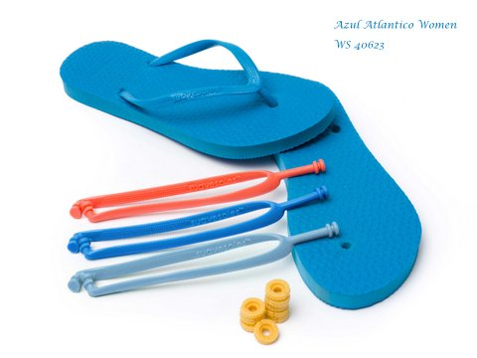 | Azul Atlantico Women | € 22.50 | 611 | 98 | 234 | 214 | 65
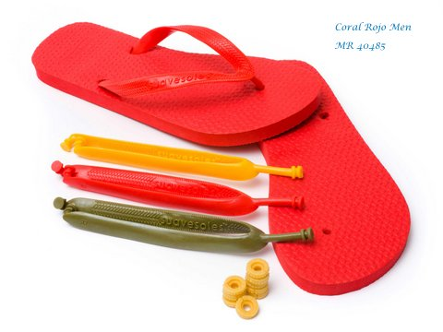 | Coral Rojo Men | € 22.50 | 415 |  |  |  |  | 89 | 142 | 126 | 58
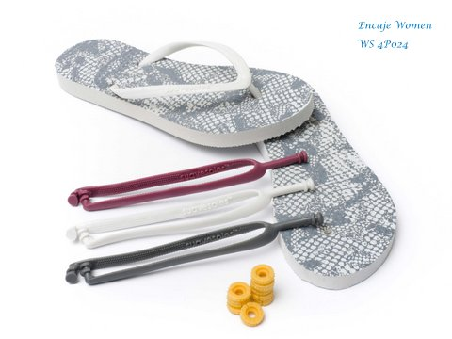 | Encaje White Women | € 22.50 | 322 | 67 | 101 | 110 | 44
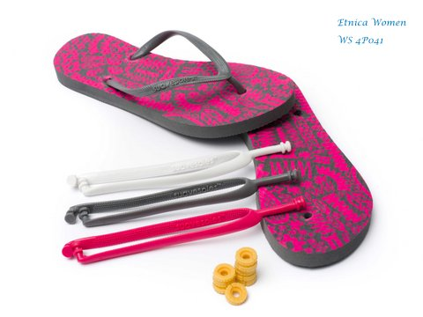 | Etnica Light Grey Women | € 22.50 | 440 | 88 | 140 | 151 | 61
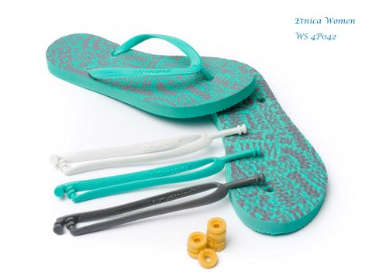 | Etnica Sea Green Women | € 22.50 | 431 | 89 | 142 | 152 | 48
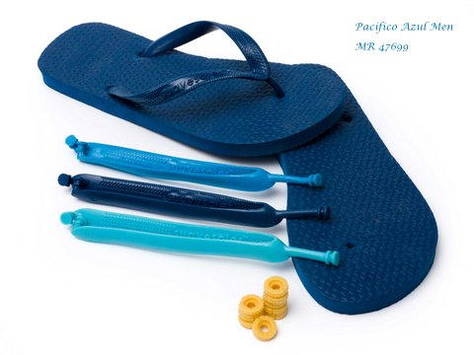 | Pacifico Azul Men | € 22.50 | 681 |  |  |  |  | 157 | 213 | 249 | 62
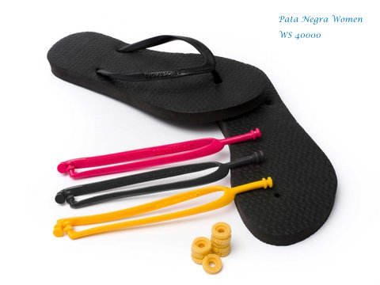 | Pata Negra Women | € 22.50 | 652 | 137 | 211 | 200 | 104
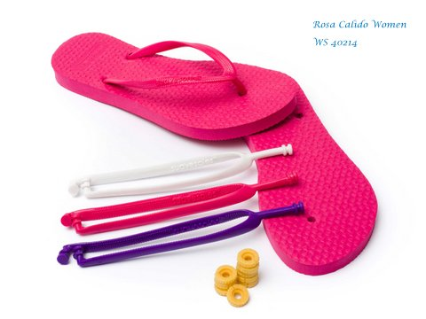 | Rosa Cálido Women | € 22.50 | 671 | 127 | 220 | 237 | 87
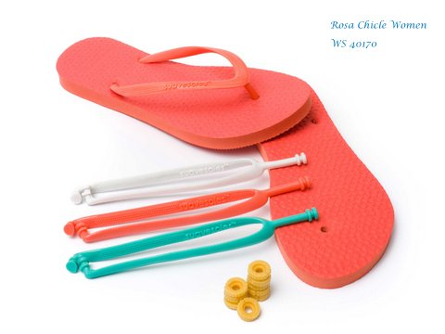 | Rosa Chicle Women | € 22.50 | 801 | 149 | 277 | 266 | 109
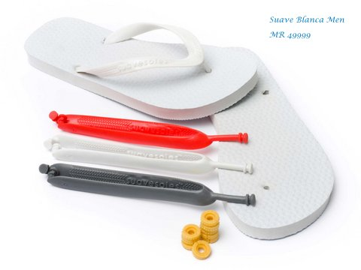 | Suave Blanca Men | € 22.50 | 455 |  |  |  |  | 106 | 160 | 112 | 77
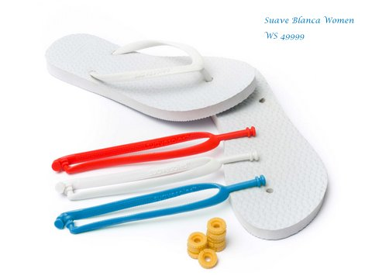 | Suave Blanca Women | € 22.50 | 816 | 157 | 281 | 272 | 106
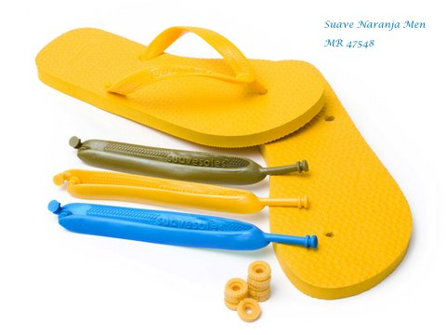 | Suave Naranja Men | € 22.50 | 265 |  |  |  |  | 67 | 69 | 85 | 44
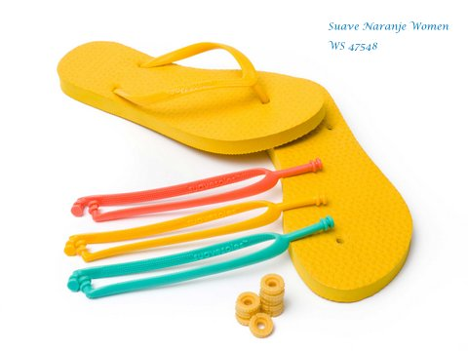 | Suave Naranja Women | € 22.50 | 458 | 88 | 151 | 154 | 65
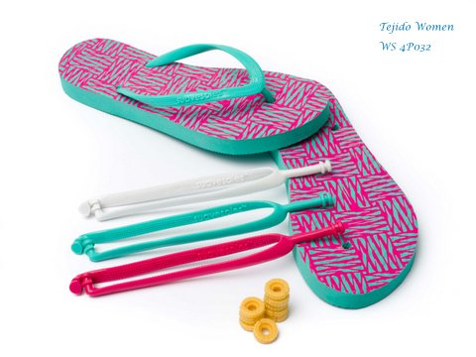 | Tejido Fluor Women | € 22.50 | 425 | 90 | 143 | 149 | 43
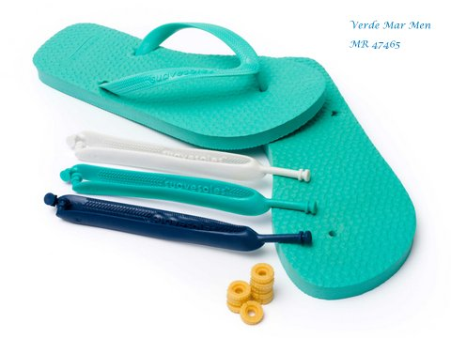 | Verde Mar Men | € 22.50 | 519 |  |  |  |  | 108 | 171 | 175 | 65
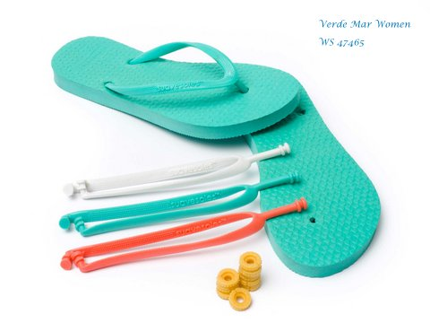 | Verde Mar Women | € 22.50 | 512 | 78 | 188 | 180 | 66
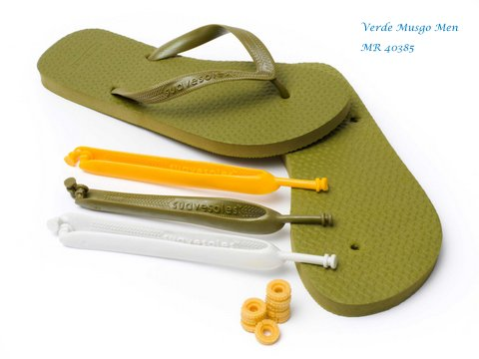 | Verde Musgo | € 22.50 | 352 |  |  |  |  | 66 | 108 | 113 | 65
 | TOTAAL: |  | 8826

